K8 - Cluster Design Considerati
Kubernetes v1.21 supports clusters with up to 5000 nodes

K8 Best-practice | (Reference link - https://kubernetes.io/docs/setup/best-practices/cluster-large/ )
 | No more than 110 pods per node
 | No more than 5000 nodes
 | No more than 150000 total pods
 | No more than 300000 total containers

Workenode size and max # of pods allowed | https://github.com/awslabs/amazon-eks-ami/blob/master/files/eni-max-pods.txt
 | https://docs.microsoft.com/bs-latn-ba/azure/aks/configure-azure-cni#maximum-pods-per-node
 | https://cloud.google.com/kubernetes-engine/quotas

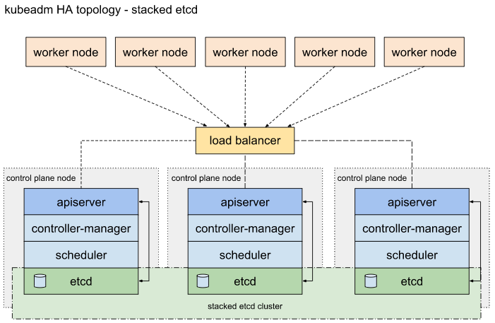
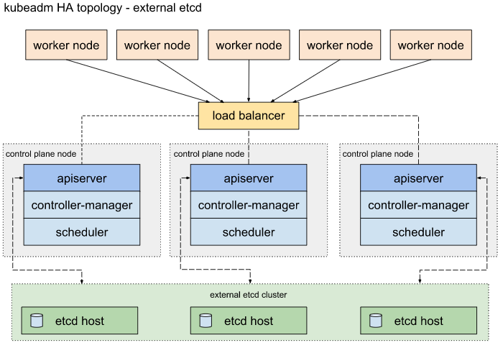
Control Plane Options | Options for HA Topology - Reference Link - https://kubernetes.io/docs/setup/production-environment/tools/kubeadm/ha-topology/

etcd Sizing Recommendations | (Reference link - https://etcd.io/docs/v3.5/op-guide/hardware/#example-hardware-configurations)
 | For large Clusters - have dedicated etcd instance/s to store event objects

 | Small Clusters - A small cluster serves fewer than 100 clients, fewer than 200 of requests per second, and stores no more than 100MB of data.
 | Example application workload: A 50-node Kubernetes cluster
 | Provider | Type | vCPUs | Memory (GB) | Max concurrent IOPS | Disk bandwidth (MB/s)
 | AWS | m4.large | 2 | 8 | 3600 | 56.25
 | GCE | n1-standard-2 + 50GB PD SSD | 2 | 7.5 | 1500 | 25

 | Medium Clusters - A medium cluster serves fewer than 500 clients, fewer than 1,000 of requests per second, and stores no more than 500MB of data
 | Example application workload: A 250-node Kubernetes cluster
 | Provider | Type | vCPUs | Memory (GB) | Max concurrent IOPS | Disk bandwidth (MB/s)
 | AWS | m4.xlarge | 4 | 16 | 6000 | 93.75
 | GCE | n1-standard-4 + 150GB PD SSD | 4 | 15 | 4500 | 75

 | Large Clusters - A large cluster serves fewer than 1,500 clients, fewer than 10,000 of requests per second, and stores no more than 1GB of data.
 | Example application workload: A 1,000-node Kubernetes cluster
 | Provider | Type | vCPUs | Memory (GB) | Max concurrent IOPS | Disk bandwidth (MB/s)
 | AWS | m4.2xlarge | 8 | 32 | 8000 | 125
 | GCE | n1-standard-8 + 250GB PD SSD | 8 | 30 | 7500 | 125

 | xLarge Clusters - An xLarge cluster serves more than 1,500 clients, more than 10,000 of requests per second, and stores more than 1GB data
 | Example application workload: A 3,000 node Kubernetes cluste
 | Provider | Type | vCPUs | Memory (GB) | Max concurrent IOPS | Disk bandwidth (MB/s)
 | AWS | m4.4xlarge | 16 | 64 | 16,000 | 250
 | GCE | n1-standard-16 + 500GB PD SSD | 16 | 60 | 15,000 | 250

Workernode sizing calculations
1 | Components | # of pods | # of Containers | Container resources allocated | Resources required for K8 nodes | Buffer/Contingency
 | Remarks | Basis Expected User load | Basis # of Users per container | CPU & Mem resource limits | CPU+RAM for the Kubelet + Container Runtime basis benchmarks on baremetal nodes | Additional CPU & Mem capacity

Workernode Sizing | Update the numbers in this table (in the colored cells) for estimated CPU, Memory & Pods
 |  | ~Example v/CPU avg. limits defined in Pod | ~Example Memory (GB) avg. limits defined in Pod | # of Pods | # of Containers
 | Typical Simple pods | 0.2 | 0.4 | 85 | 85
 | Typical DB Pods | 0.5 | 0.756 | 3 | 6
 |  |  | Total | 88 | 91

 | Components |  | # of Pods | # of Containers | Typical CPU config/limits | Typical Memory config/limits | Current Memory Utilization | Current CPU Utilization |  |  | Multiplication Factor
 | Sample Application Pods |  | 85 | 1 | 17.000 | 34.000 | NA | NA
 | DB Pod with Sidecar Container |  | 3 | 2 | 1.500 | 2.268 | NA | NA | Current Specs
 | Container run time |  | NA | NA | 0.040 | 0.100 | 0.025 | 0.02 | 2 | vCPU | 10% | TBC
 | Kubelet |  | NA | NA | 0.060 | 0.080 | 0.02 | 0.03 | 4 | GB RAM | 15% | TBC
 | CNI |  | NA | NA | 0.006 | 0.024 | 0.006 | 0.003 |  |  | 15% | TBC
 | Additional components, if any
 | System default(OS) |  | NA | NA | 0.500 | 0.512 | NA | NA
 | Buffer Resuorces 15% |  | NA | NA | 2.866 | 5.548 | NA | NA
 |  |  |  | Workernode Specs | 22.0 | 42.5
 |  |  |  |  | vCPU | GB

